TestSummary
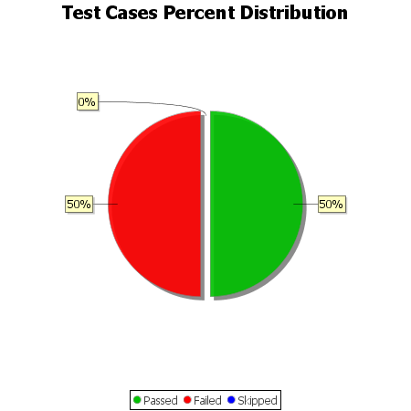
Total Test Cases | 2
Test Cases Passed | 1
Test Cases Failed | 1
Test Cases Skipped | 0

